Use_Case
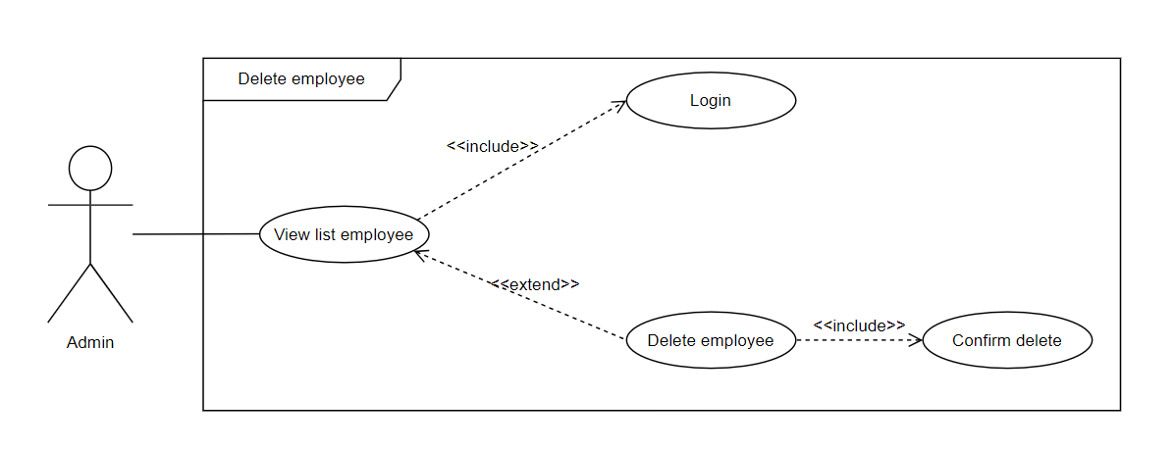
5.4.2.2 Thêm mới nhân viên văn phòng
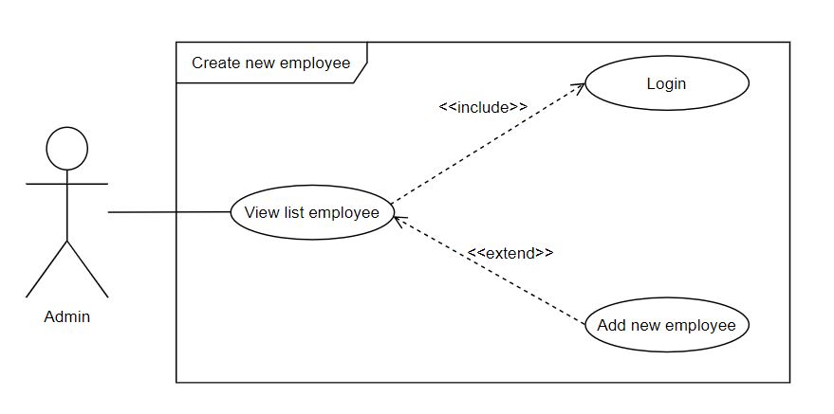

5.4.2.1 Xóa nhân viên văn phòng

Class_Diagram
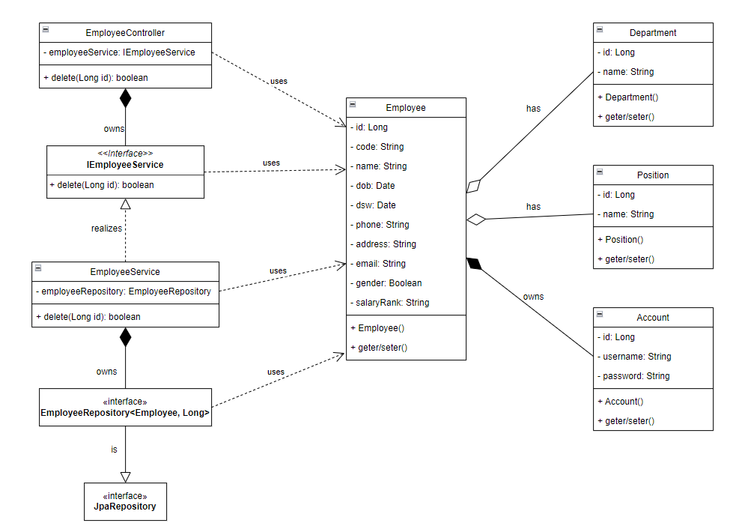
5.4.2.2 Thêm mới nhân viên văn phòng

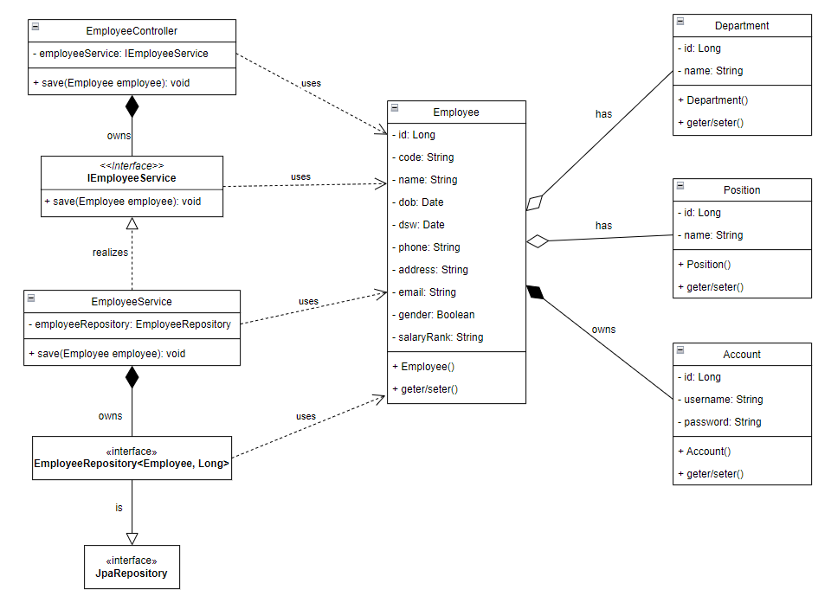

5.4.2.1 Xóa nhân viên văn phòng

Sequence_Diagram
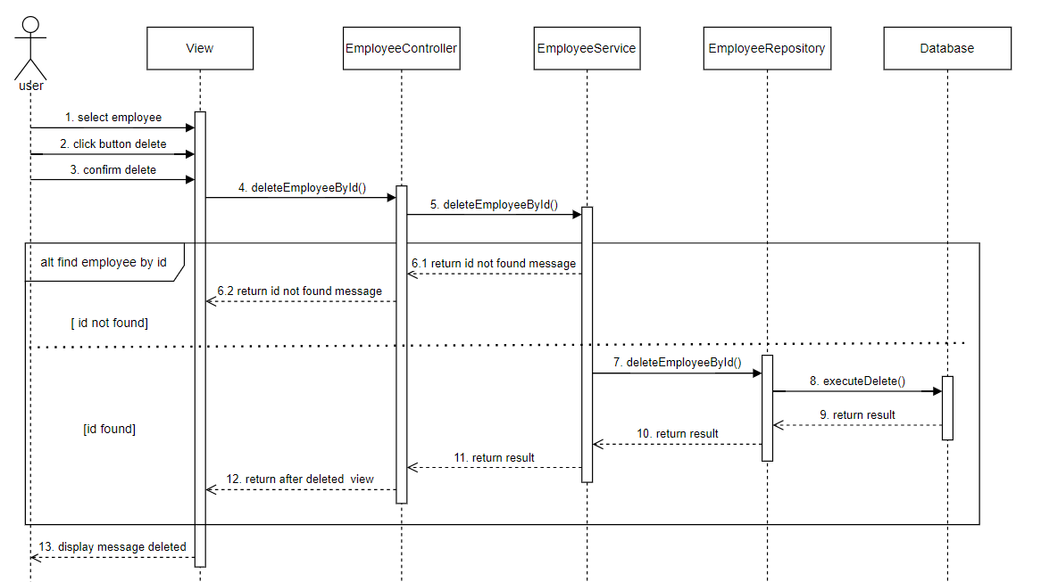
5.4.2.2 Thêm mới nhân viên văn phòng

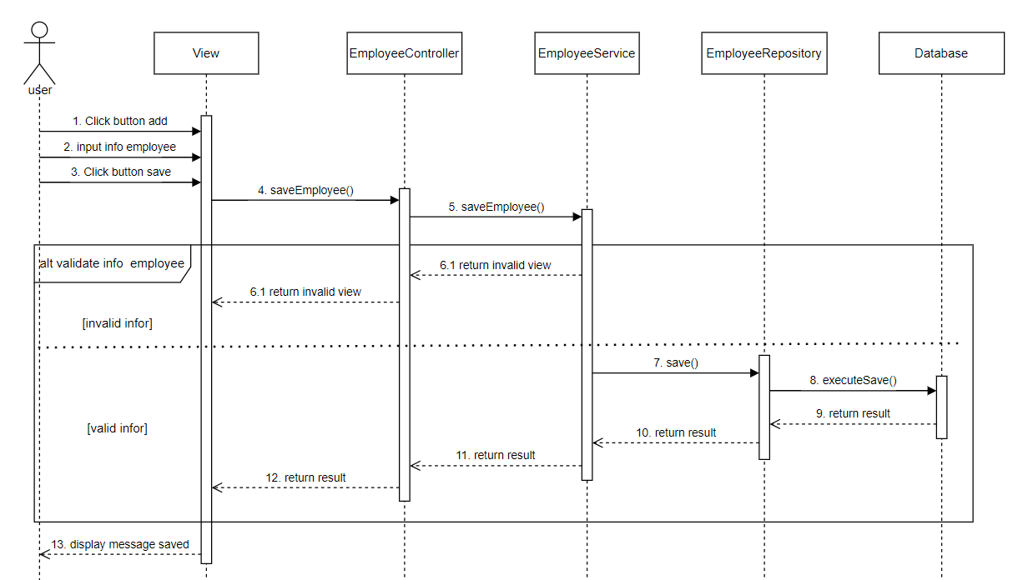

5.4.2.1 Xóa nhân viên văn phòng

